Sheet1
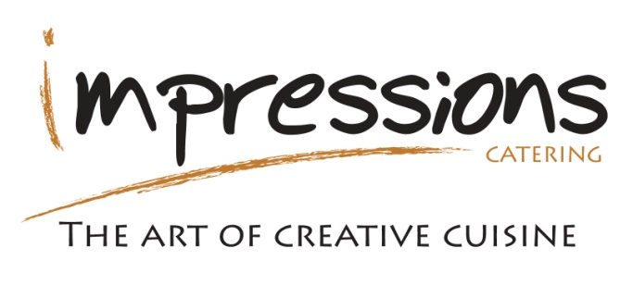
Boeing Canada Catering

Please e-mail completed form to : ashley.mitchell2@boeing.com (only approved forms will be processed)
Please ensure that requests are received at least two working days in advance. Any changes made within 48 hours will not be accepted.
 |  |  |  |  | REQ#
Meeting Room: |  |  | # of Participants:

Date required: |  |  |  | Approved By:

Cost Center |  |  | Meeting Agenda/Title

Meeting Start time |  |  | Meeting End time

Requestor/Focal Information
Name : |  |  |  | Phone #:
If a menu item is not on the order form, please contact the Café Manager for assistance.
 |  | Time of day required |  |  | Price per person | Total cost

Breakfast | Assorted Muffins & Pastries (each) |  |  |  | $2.03 | $-
 | Bagel Platter - includes cream cheese |  |  |  | $3.38 | $-
 | Hot Breakfast Sandwiches- bacon, ham, sausage |  |  |  | $6.75 | $-
 | Day Starter- Scrambled eggs, bacon, sausage, hashbrowns |  |  |  | $8.10 | $-
 | Fresh Fruit Cup |  |  |  | $2.97 | $-
 | Yogurt and Berry Parfait |  |  |  | $4.39 | $-

Lunch - Sandwiches | Classic Collection Salads |  |  |  | $6.08 | $-
 | Classic Collection Wraps Only |  |  |  | $6.08 | $-
 | Gourmet Selection Sandwiches |  |  |  | $8.78 | $-

Salads | Pasta Salad |  |  |  | $5.33 | $-
Indicate choice of : | Caesar, Greens, Greek, Spinach & Mandarin |  |  |  | $5.33 | $-
 | Mediterranean Quinoa Salad |  |  |  | $6.75 | $-

Hot Entrees | Sweet & Sour Meatballs with Veg & Rice |  |  |  | $9.79 | $-
 | Chicken Parmesan (with Pasta Pomodoro & Garlic Toast) |  |  |  | $12.56 | $-
 | Pasta Marinara with Garlic Toast |  |  |  | $9.79 | $-
 | Chicken Fingers with Honey Dill Sauce (4 pieces per person) |  |  |  | $8.10 | $-
 | Butter Chicken (with Chana Masala, Rice, Pita) Minimum order of 20 |  |  |  | $12.56 | $-

Pizzeria Pizza | The Core (Lots of Cheese) |  |  |  | $18.90 | $-
 | The Lay-Up Hawaiian (Ham & Pineapple) |  |  |  | $21.60 | $-
 | The Assembly (Pepperoni, Mushroom, Peppers) |  |  |  | $21.60 | $-
 | The Trim Vegetarian (Mushroom, Peppers, Tomato, Olives & Onion) |  |  |  | $21.60 | $-
 | The Sand & Fill Greek (Feta, Mushroom, Tomato, Olives, Peppers) |  |  |  | $23.63 | $-
 | The Door Blocker (Pepperoni, Sausage, Bacon & Ham) |  |  |  | $23.63 | $-
 | The Facilities Combo (Pepperoni, Mushroom, Tomato, Ham, Peppers) |  |  |  | $23.63 | $-
 | The Mexican Maintenance (Beef, Hot Peppers, Peppers, Garlic & Onions) |  |  |  | $23.63 | $-
 | The Deluxe 5S (Pick up to 7 toppings- list below) |  |  |  | $24.98 | $-

Snack Platters | Classic Cheese Selection |  |  |  | $8.10 | $-
 | Vegetable Dip Platter (4 serving) |  |  |  | $10.80 | $-
 | Fresh Sliced Fruit Platter (4 servings) |  |  |  | $10.80 | $-
 | Flatbread With Dips serves 10-15 |  |  |  | $70.00 | $-
 | Mediterranean Anitpasto Platter serves 10-15 |  |  |  | $80.00 | $-

Desserts | Deluxe Dessert Squares |  |  |  | $2.36 | $-
 | Gourmet Cookies |  |  |  | $1.35 | $-
 | Pecan/ Raisin Tarts |  |  |  | $2.36 | $-

Beverages | Pot of Coffee (1 pot serves 8) |  |  |  | $18.16 | $-
 | Pot of Decaf Coffee (1 pot serves 8) |  |  |  | $18.16 | $-
 | Selection of tea (1 pot serves 6) |  |  |  | $18.16 | $-
 | Bottled Water 500ml |  |  |  | $2.36 | $-
 | Soft Drink 355ml Cans |  |  |  | $2.36 | $-
 | Assorted Fruit Juices |  |  |  | $2.90 | $-
 |  |  |  |  |  | $-
 |  |  |  |  | SUB TOTAL | $-
 |  |  |  |  | GST
 |  | Please contact the Café at 204-831-2857 for suggestions or help in planning your event. |  |  | TOTAL | $-

Additional Requests:

last update: March 2025

